Sheet1
Cotton Harvest Breakeven Yield Calculator
Developed by
Yangxuan Liu and Ronnie Barentine
November 2018

This decision aid is designed to assist producers to make cotton harvest decisions. It calculates the Breakeven Yield,
which is also the minimum yield, required to cover the costs of defoliation, picking, and ginning of cotton.
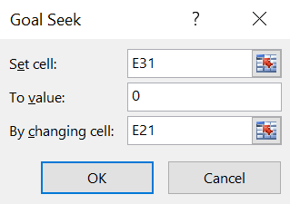
Data entry is made in the white cells only. All other cells are protected.

To calculate Breakeven Yield, use the Goal Seek Function in Excel. The way to
find the Goal Seek Function in excel is: Data -> What-If Analysis -> Goal Seek.
Then, users need to put the information as shown in the dialog box on
the right to use the Goal Seek Function.

Revenue
 | Cotton Price | $0.77 | $/Lb
 | Cottonseed Price | $135 | $/Ton
 | Cotton Yield | 250 | Lb/Acre
 | Cottonseed Yield | 0.16 | Ton
 | Gin Turnout Ratio | 40% | Percentage
Total Revenue |  | $213.59 | $/Acre
Defoliation and Harvest Cost
 | Defoliation Cost (Chemical, Machinery, and Labor) | $20.00 | $/Acre
 | Picking/Stripping & Moduling Cost | $90.00 | $/Acre
 | Ginning Cost per Pound of Cotton Lint | $0.08 | $/Lb
Total Cost |  | $130.00 | $/Acre
Net Return above Harvest Cost
Net Return above Defoliation and Harvest Cost |  | $83.59 | $/Acre

Breakeven Yield |  | N/A | Lb/Acre

