1-Introduction
2018 Seed Cotton (SC) Agricultural Risk Coverage (ARC) and Price Loss Coverage (PLC) Comparison Decision Aid (SC-DA-2)
Developed by
Yangxuan Liu and Don Shurley
Department of Agricultural and Applied Economics
University of Georgia
November 2018
This decision aid is designed to assist landowners and producers to make decisions concerning the new seed cotton program in ARC and PLC selection decision for 2018.
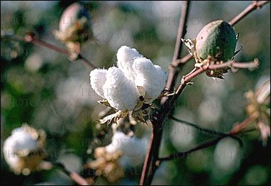
Producers on a farm have until December 7, 2018 to elect PLC or ARC for seed cotton (SC) for 2018. To fully utilize this decision aid, users will need:
 | -the county in which your farm is located
 | -your expected average cotton lint yield for your county in 2018
 | -your farm's seed cotton PLC payment yield
 | -your farm's HIP factor (If applicable)

There are 4 worksheets in this decision aid. Worksheet 2 explains the definition of HIP (Historical Irrigated Percentage) county and non-HIP county.
If your farm is located in a HIP (Historical Irrigated Percentage) county, you need to fill out worksheet 3. If your farm is located in a non-HIP county, you need to fill out worksheet 4.

Data entry is made in the white cells only in worksheet 3 and 4. All other cells are protected.

For more information related to ARC and PLC calculation, please refer the following factsheet.
Shurley, W. D. & Liu, Y. Implications of Hurricane Michael on the Seed Cotton ARC/PLC Selection Decision. Department of Agricultural and Applied Economics, University of Georgia.
Report No. AGECON-18-09PR. October 2018.
Disclaimer
This decision aid addresses specifically with option, ARC or PLC, looks better (potentially provides the higher payment) for 2018 only. Current language provides that producers will be
given another election opportunity for 2019-2023 under the new farm bill. Instead, should the current farm bill be extended for another year, it is uncertain if a new election opportunity
would be provided for 2019. It is widely believed that longer term, PLC is the preferred choice for seed cotton—but heavy yield loss in some counties due to Hurricane Michael for 2018
could make ARC the better choice for 2018 only. This decision aid specifically compares ARC and PLC for 2018.

Funding support provided by

2-Definition of HIP County
Definition of HIP (Historical Irrigated Percentage) County and Non-HIP County
Developed by
Yangxuan Liu and Don Shurley
November 2018
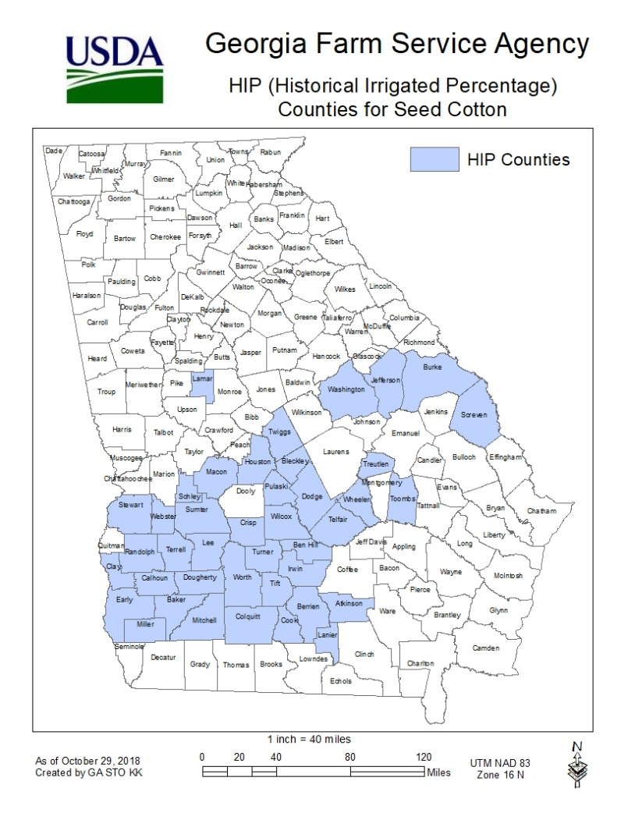

Based on 2009-2012 acres planted, if a county has at least 25% of acres irrigated and at least 25% non-irrigated
of the crop, FSA is required to establish a yield history and separate ARC Benchmark Revenue and Actual
Revenue for both irrigated and non-irrigated. These are known as “HIP counties”.

For a HIP county, ARC will have an irrigated yield and a non-irrigated yield for the crop. Otherwise, there will
be a single “All” yield designation. The HIP counties in Georgia for seed cotton are shown in blue on the map.

If a farm is in a HIP county and if the farm itself has a history of irrigation, FSA will assign a HIP Factor for the
farm. The HIP factor is the historical percentage of irrigated acres of the crop planted.

For a farm with a HIP factor in a HIP county, any ARC payment is calculated as

 | ACR Payment Rate ($/Acre) = ARC Payment Irrigated x HIP + ARC Payment Non-Irrigated x (1-HIP)

This will be the weighted average payment and will be received on 85% of base acres.

